Sheet1
Word Embeddings - II

 | There are different ways to convert textual representation to numerical representation

 | - Onehot Encoding
 | - Word2vec
 | - TF-IDF
 | - BOW
 | - n-GRAM
 | - Co-occurance matrix
 | - Glove
 |  | We can learn 8-9 approaches till transformers . But there are 100 ways .

1 . Onehot Encoding

 |  | x | y | z |  | distinct data |  | x | y | z
 |  | A | B | C |  |  |  | A | B | C
 |  | x | y | z |  |  |  | C | D | F
 |  | C | D | F
 |  | x | y | z

 |  | 3 bid representation

 |  | 1 | 0 | 0
 |  | 0 | 1 | 0
 |  | 1 | 0 | 0
 |  | 0 | 0 | 1
 |  | 1 | 0 | 0

 | - What if we have 1000 distinct data ?
 |  | - 1000 dimension
 |  | - 1000 columns
 | - If data dimension is very high it's a failed approach .
 | - So better to go ahead with Word2vec approach or pretrained model .
 | - Sometime I don't use by my own Word2vec
 | - There are 1000's of Word2vec models are present - Libraries
 | - These will train huge amount of data .
 | - In Word2vec - not interested in outcome , but interested in weights .

 | Q | Why not one hot encoding or what's the limit of it ? OR why not label encoding ?

 |  | Mention disadvantage

 | - | from keras.layers import Embedding
 |  | embedding_layer = Embedding(1000,64)

 | -
 |  |  | Length of the token / no. of all words .
 |  |  | dimension ( how to represent one word )
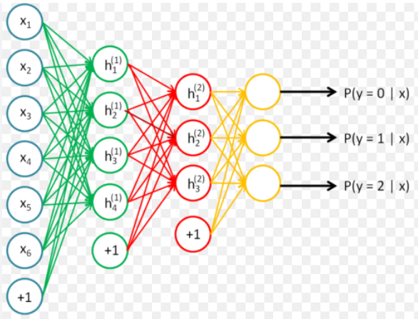
 |  | In NN
 |  |  |  |  | 64
 |  |  |  | 1000 |  |  |  |  | 64 bits

 | - IMDB is index based encoding .

 |  | Example
 |  |  | My Name is Jateen |  | 0 |  |  | The set is always available in this format
 |  |  | I teach AI |  | 1
 |  |  |  |  | 2 |  |  | If the length of review words in sentence > 20 , then simply chop OFF .
 |  |  | My |  | 3
 |  |  | Name |  | 4
 |  |  | is |  | 5
 |  |  | Jateen |  | 6
 |  |  | I |  | 7
 |  |  | teach |  | 8
 |  |  | AI |  | 9

2 . Bag of Words ( BOW )

 | - Used for data preprocessing
 | - Ignores grammer , word order
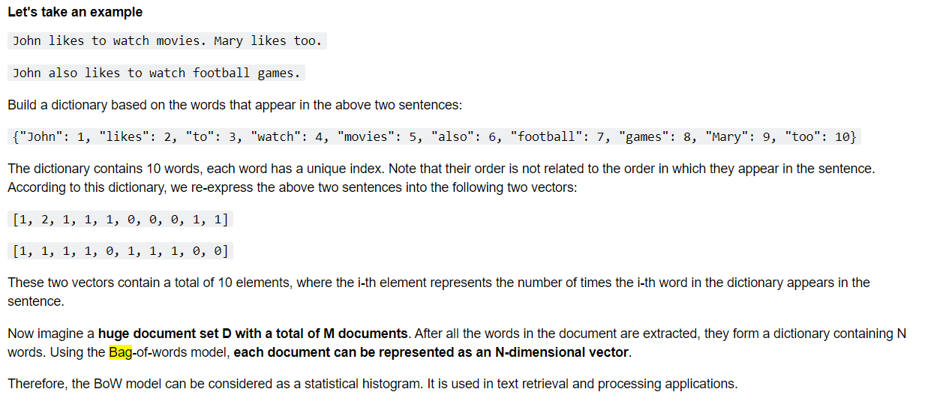

 | - We can do this with the help of ML,DL,NN .

3 . TF-IDF
 | Already discussed .

 | Q | Which one is the best among these ?

 |  | None
 |  | So , use Library TF-IDF

 | - NLTK implements the TF-IDF algorithm .

 |  | Example : 02.Word_Embedding_V1/Word Embeddings_Theory.ipynb

 | - sklearn implements the TF-IDF algorithm .

 |  | Example : 02.Word_Embedding_V1/Word Embeddings_Theory.ipynb

 | - Jieba implements the TF-IDF algorithm .

 |  | Example : 02.Word_Embedding_V1/Word Embeddings_Theory.ipynb

4. n-GRAM

1 | Consecutive words

 |  | - Used in text processing
 |  | - NLP

2 | n = 1 | unigram
 | n = 2 | bigram
 | n = 3 | trigram

3

5 . Co-occurance Matrix

1 | - Relationship between words in the corpus .
 | - Can generate word vectors
 | -
 |  | life | he | rests | in | peace

 | - Understanding before & after words . And then do embeddings .

2 |  |  |  | window size = 1

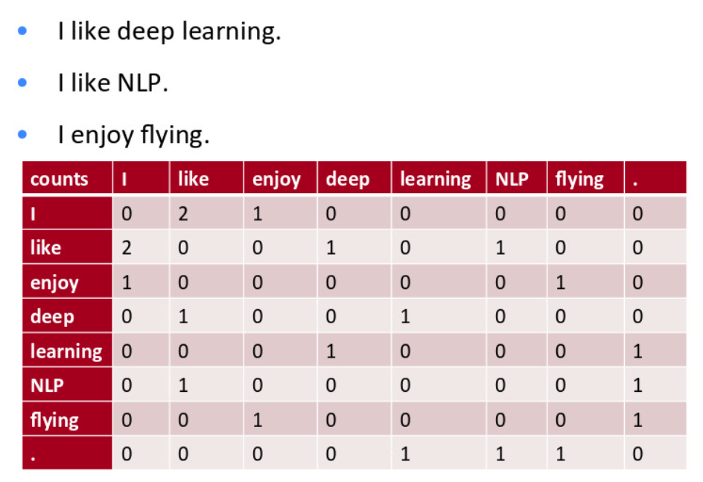
 |  |  |  |  |  |  |  |  |  |  | I can take this data for model training , possible .

6 . Glove

 | Another type

At the end
 |  | BOW |  |  |  |  | n-Gram

 |  | - Embeddings |  |  |  |  | - combination
 |  | - textual -> numerical |  |  |  |  | - feature extraction

